Blad1
 | ORDER |  | SUPPLIER : |  | ELITE |  | SEASON : | 2026/2 |  | YR REF : | P46W107

 |  |  | DATE: | 2026-04-13 |  |  | PRICE : | 14.4 | EURO | QUAL. : | MICRO SUEDE
 |  |  |  |  |  |  |  |  |  |  | PES EA
 |  |  | DESCRIPTION : |  | T-SHIRT V-NECK LONG SLEEVE

REFERENCE |  | HOT CORAL |  |  | SIZE : | 36 | 38 | 40 | 42 | 44 | 46 | TOTAL
P46W107 |  | AUBERGINE |  |  |  | 42 | 66 | 86 | 88 | 84 | 54 | 420
 |  | BROWN |  |  |  | 36 | 50 | 64 | 62 | 62 | 58 | 332
 |  | GREEN |  |  |  | 24 | 34 | 34 | 36 | 38 | 32 | 198
 |  |  |  |  |  |  |  |  |  |  |  | 0
 |  |  |  |  |  |  |  |  |  |  |  | 0
AUBERGINE |  |  | BROWN |  |  | GREEN |  |  |  |  |  | 950
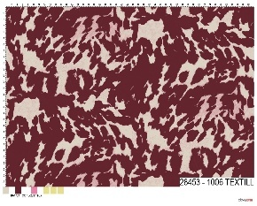
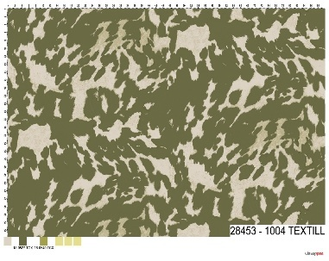
28453-1006 |  |  | 24583-1001 |  |  | 24583-1004 |  |  |  |  |  | STYLE
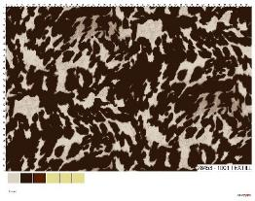
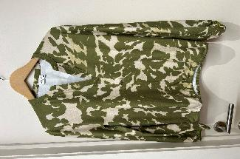

LABELS |  | SHE GOES LALA

REMARK |  | For color aubergine please send first swatches so I can confirm

DELIVERY |  | June

